Sensor
id | measuresProperty | isContainedIn
CO2 sensor 1 | CO2 | Space1
CO2 sensor 2 | CO2 | Space2
CO2 sensor 3 | CO2 | Space3
CO2 sensor 4 | CO2 | Space4
CO2 sensor 5 | CO2 | Space5
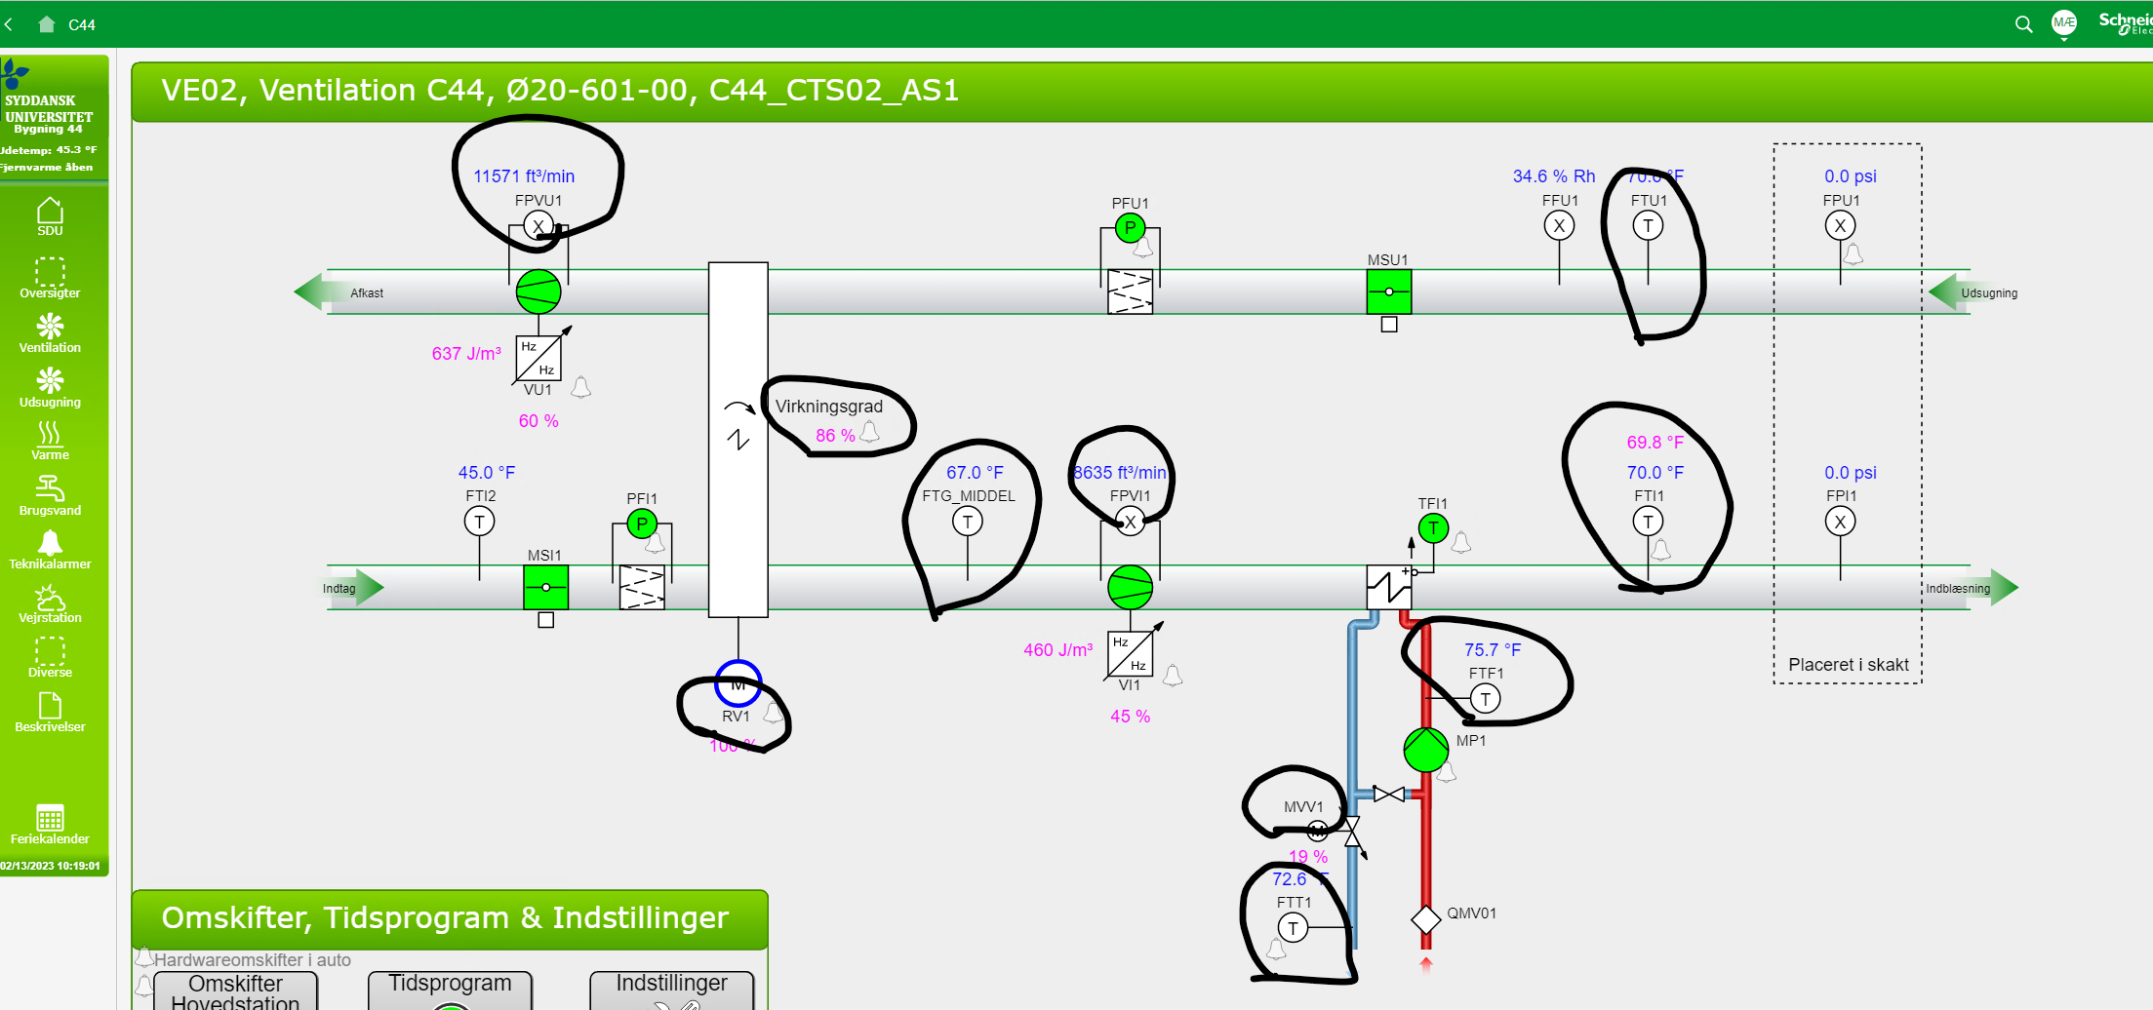
CO2 sensor 6 | CO2 | Space6
CO2 sensor 7 | CO2 | Space7
CO2 sensor 8 | CO2 | Space8
CO2 sensor 9 | CO2 | Space9
CO2 sensor 10 | CO2 | Space10

